Sheet1
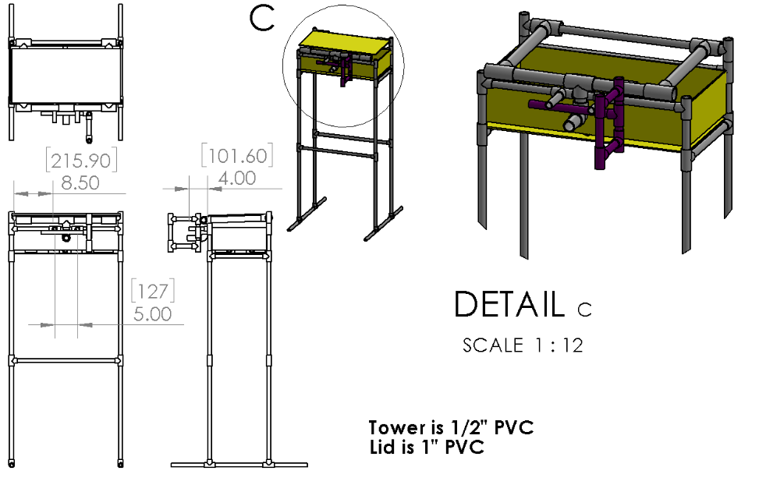
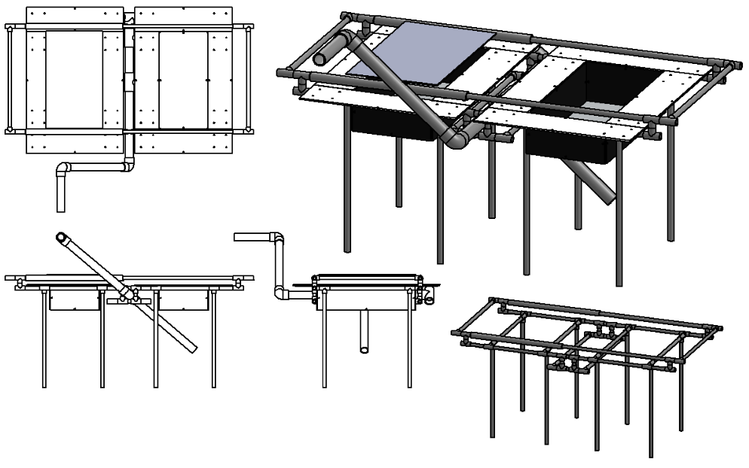
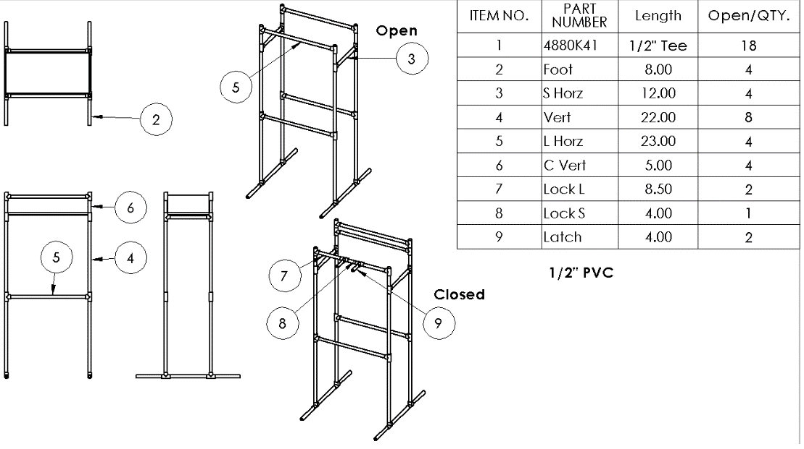
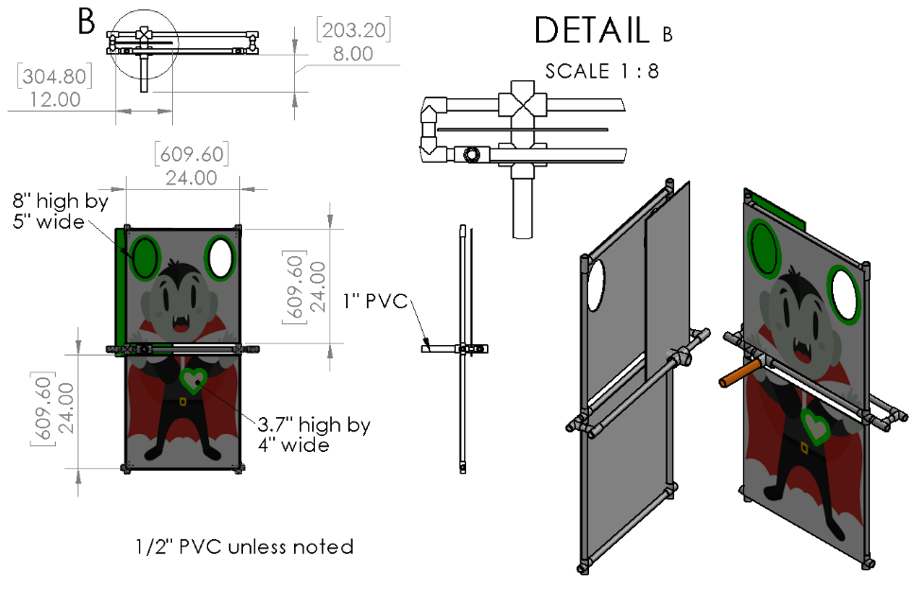
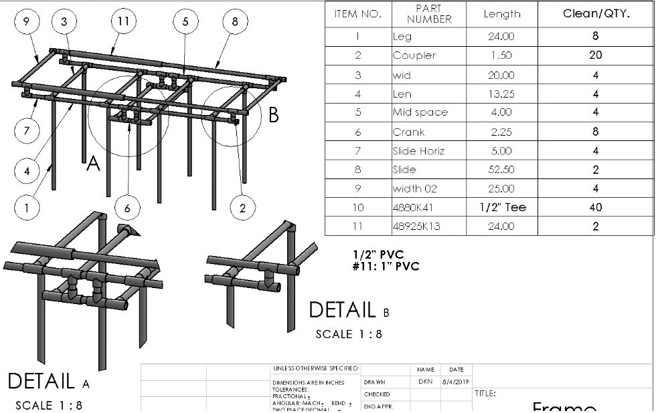
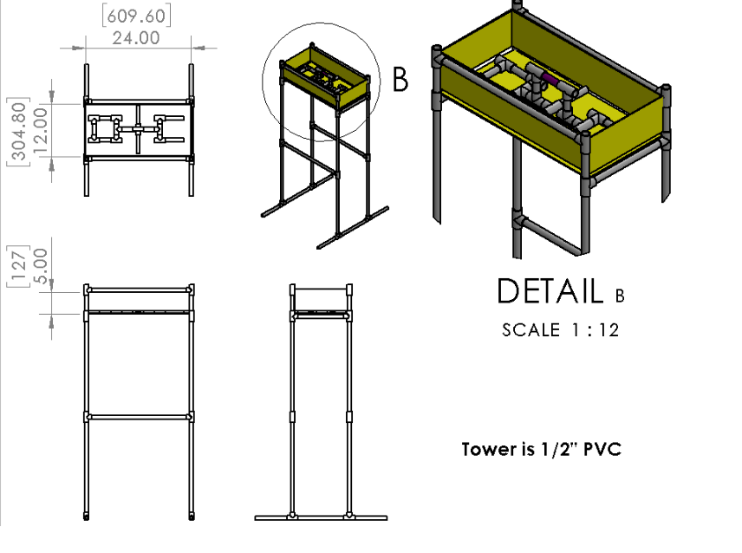
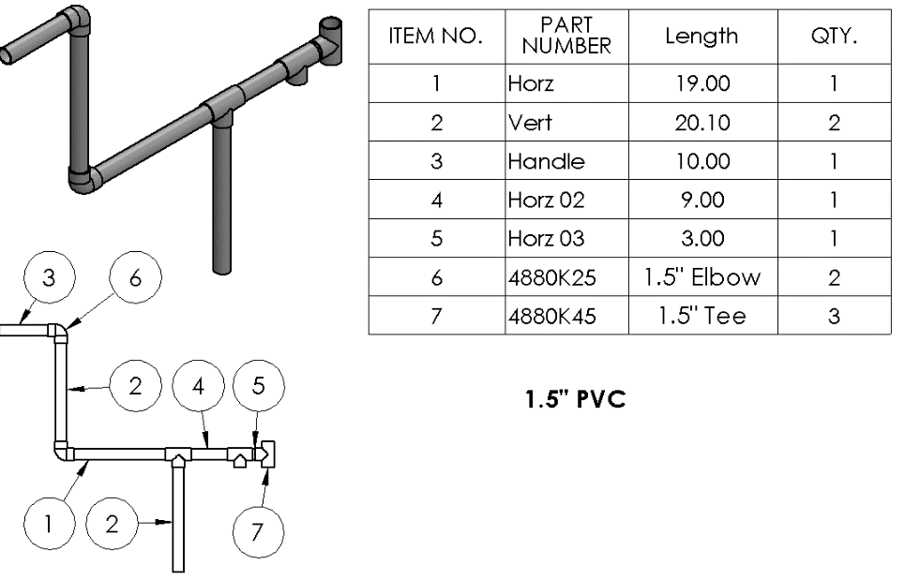
0.5 inches cross, tees, elbows, and pipes |  |  |  |  |  | Number Needed | Link
0.5in 2way |  | 6 qty |  |  | TOTAL NEEDED | 6 qty | https://www.lowes.com/pd/LASCO-1-2-in-90-Degree-PVC-Sch-40-Elbow/3339828
.5in 3way | 40 qty |  | 18 qty | 6 qty | TOTAL NEEDED | 70 qty | https://www.lowes.com/pd/Charlotte-Pipe-10-Pack-1-2-in-PVC-Sch-40-Tee/3514896
.5in 4way |  |  |  | 4 qty | TOTAL NEEDED | 10 qty | https://www.lowes.com/pd/LASCO-x-90-Degree-PVC-Sch-40-Cross-Tee/3371628
.5 in pipe | 662 | 146 | 397 | 164.5 | TOTAL NEEDED | 1349.5 in or 112.458 ft | https://www.lowes.com/pd/Charlotte-Pipe-1-2-in-x-10-ft-600-Schedule-40-PVC-Pipe/3133079

1 inch cross, tees,elbows and pipes
1in 3way |  |  |  |  | TOTAL NEEDED
1in4way |  |  |  |  | TOTAL NEEDED
1in pipe |  | 20 in | 2ft |  | TOTAL NEEDED | 2 ft | https://www.lowes.com/pd/1-in-x-10-ft-450-Schedule-40-PVC-Pipe/3133091

1.5 inch cross, tees,elbows and pipes
1.5in 2way | 5 qty |  |  |  | TOTAL NEEDED | 5 qty | https://www.lowes.com/pd/LASCO-1-1-2-in-x-90-Degree-PVC-Sch-40-Slip-Elbow/3307896
1.5in 3way | 5 qty |  |  |  | TOTAL NEEDED | 5 qty | https://www.lowes.com/pd/LASCO-PVC-Sch-40-Tee/3344584
1.5in 4way |  |  |  |  | TOTAL NEEDED
1.5in pipe | 71.2 |  |  |  | TOTAL NEEDED | 72 in or 6ft | https://www.lowes.com/pd/Charlotte-Pipe-2-in-x-10-ft-280-Sch-40-Solidcore-PVC-DWV-Pipe/3133041
 |  |  |  | TASKS THAT NEEDS TO BE BUILD

